Sheet1
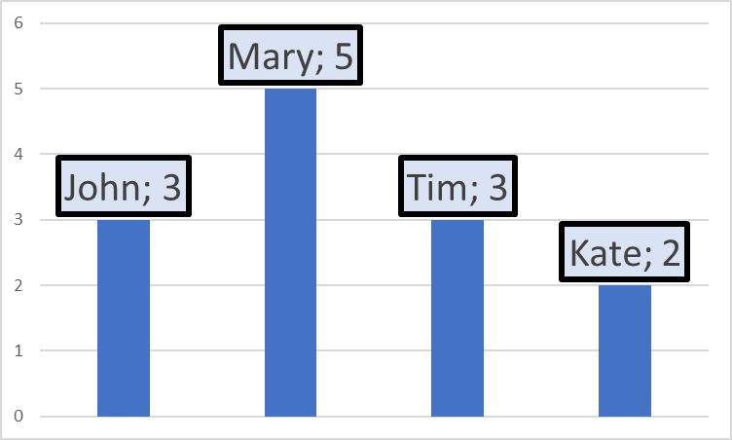
Person | Value
John | 3
Mary | 5
Tim | 3
Kate | 2

