List1
Primary bending reinforcement calculation

Project:
Element:
Notes:

Name:
Date:

Inputs:
Concrete |  |  | Steel |  |  | Calculated:
Fck = | 0.00 MPa |  | Fyk = | 0.00 MPa | >> | Fcd = | 0.00 MPa
or |  |  | or |  | >> | Fyd = | 0.00 MPa
Fcd = | 0.00 MPa |  | Fyd = | 0.00 MPa

$$f_{cd}=\frac{f_{ck}}{1,5}$$
$$f_{yd}=\frac{f_{yk}}{1,15}$$
$$A_{s,req}=\frac{M_{Ed}}{0,9∙d∙f_{yd}}$$
$$∅_{req}=\frac{A_{s,req}}{Bars \#}$$
$$A_{s,prov}=∅_{prov}∙Bars \#$$
$$x=\frac{A_{s,prov}∙f_{yd}}{0,8∙b∙f_{cd}}$$
$$z=d−0,4∙x$$
$$ξ=\frac{x}{d}$$
$$M_{Rd}=f_{yd}∙z∙A_{s,prov}$$
External moment:
MEd = | 0.00 kNm/b

Cross-section dimensions:
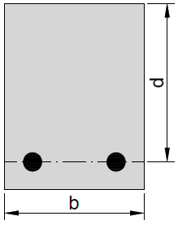

 |  | d= | 0 mm | 0 mm

b= | 0 mm | 0 mm

Estimation of required reinforcement area:
As,req = | #DIV/0!

Bars # = | 0 | >> | Ø req > | #DIV/0!

Final design:

Ø prov = | 0 mm | >> | As,prov = | 0.00 mm²
 |  |  | x = | #DIV/0!
 |  |  | z = | #DIV/0!
 |  |  | ξ = | #DIV/0!
MEd = | 0.00 kNm/b | < | MRd = | #DIV/0!

Overdesigned for |  | #DIV/0!

