2014-04-22
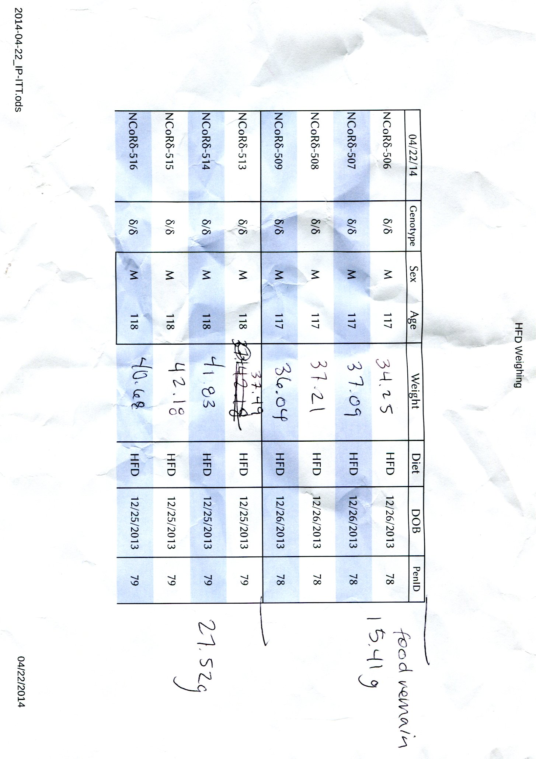
2014-04-22 | Genotype | Sex | Age | Weight | Diet | DOB | PenID | Feed Rem.
C57BL/6N-323 | WT/WT | M | 105 | 39.15 | HFD | 1/7/2014 | 55
C57BL/6N-324 | WT/WT | M | 105 | 33.4 | HFD | 1/7/2014 | 55 |  | Cage | Genotype | Diet | Target Feed | Actual Feed | Feed Remaining
C57BL/6N-325 | WT/WT | M | 105 | 36.58 | HFD | 1/7/2014 | 55 |  | 55 | WT/WT | HFD | 80
NCoRω-426 | WT/WT | M | 109 | 32.11 | HFD | 1/3/2014 | 55 |  | 49 | δ/δ | HFD | 75
C57BL/6N-326 | WT/WT | M | 105 | 30.57 | LFD | 1/7/2014 | 87 |  | 78 | δ/δ | HFD | 85
C57BL/6N-327 | WT/WT | M | 105 | 26.62 | LFD | 1/7/2014 | 87 |  | 79 | δ/δ | HFD | 75
NCoRω-428 | WT/WT | M | 109 | 23.12 | LFD | 1/3/2014 | 87 |  | 89 | ω/ω | HFD | 80
NCoRω-430 | WT/WT | M | 109 | 27.57 | LFD | 1/3/2014 | 87 |  | 87 | WT/WT | LFD | 60
NCoRδ-531 | δ/δ | M | 105 | 41.07 | HFD | 1/7/2014 | 49 |  | 76 | δ/δ | LFD | 75
NCoRδ-534 | δ/δ | M | 105 | 37.72 | HFD | 1/7/2014 | 49 |  | 81 | ω/ω | LFD | 50
NCoRδ-535 | δ/δ | M | 105 | 39.07 | HFD | 1/7/2014 | 49
NCoRδ-536 | δ/δ | M | 105 | 40.46 | HFD | 1/7/2014 | 49
NCoRδ-506 | δ/δ | M | 117 | 34.25 | HFD | 12/26/2013 | 78
NCoRδ-507 | δ/δ | M | 117 | 37.09 | HFD | 12/26/2013 | 78
NCoRδ-508 | δ/δ | M | 117 | 37.21 | HFD | 12/26/2013 | 78
NCoRδ-509 | δ/δ | M | 117 | 36.04 | HFD | 12/26/2013 | 78
NCoRδ-513 | δ/δ | M | 118 | 37.49 | HFD | 12/25/2013 | 79
NCoRδ-514 | δ/δ | M | 118 | 41.83 | HFD | 12/25/2013 | 79
NCoRδ-515 | δ/δ | M | 118 | 42.18 | HFD | 12/25/2013 | 79
NCoRδ-516 | δ/δ | M | 118 | 40.68 | HFD | 12/25/2013 | 79
NCoRδ-501 | δ/δ | M | 117 | 26.19 | LFD | 12/26/2013 | 76
NCoRδ-504 | δ/δ | M | 117 | 30.34 | LFD | 12/26/2013 | 76
NCoRδ-505 | δ/δ | M | 117 | 27.6 | LFD | 12/26/2013 | 76
NCoRδ-512 | δ/δ | M | 118 | 26.81 | LFD | 12/25/2013 | 76
NCoRω-416 | ω/ω | M | 113 | 32.23 | HFD | 12/30/2013 | 89
NCoRω-417 | ω/ω | M | 113 | 33.18 | HFD | 12/30/2013 | 89
NCoRω-418 | ω/ω | M | 113 | 29.8 | HFD | 12/30/2013 | 89
NCoRω-421 | ω/ω | M | 113 | 32.88 | HFD | 12/30/2013 | 89
NCoRω-405 | ω/ω | M | 116 | 30.06 | LFD | 12/27/2013 | 81
NCoRω-406 | ω/ω | M | 116 | 29.38 | LFD | 12/27/2013 | 81
NCoRω-407 | ω/ω | M | 116 | 28.81 | LFD | 12/27/2013 | 81
NCoRω-409 | ω/ω | M | 118 | 28.57 | LFD | 12/25/2013 | 81

2014-04-22 | 0 | 0 | 3599 | 1070.06 | 0 | 1332433 | 2376 | 0 | 594 | 0 | 0 | 580 | 0

