Tabelle1
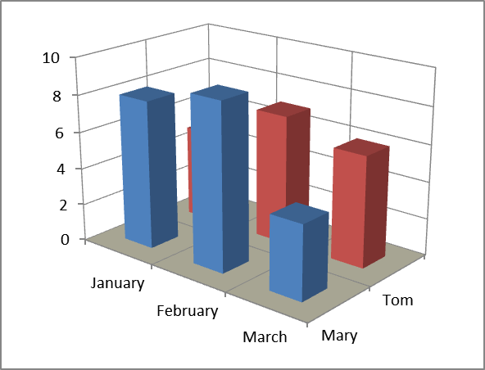
 | Mary | Tom
January | 8 | 5
February | 9 | 7
March | 4 | 6

 |  |  | Appearance in Excel 2010

