Example
Member | Date | Validate, that content is number
Julia | 2014-07-25 | TRUE | =ISNUMBER(B2)
Tom | 2016-08-18 | TRUE | =ISNUMBER(B3)
John | 2017-06-18 | TRUE | =ISNUMBER(B4)
Kevin | 2018-07-10 | TRUE | =ISNUMBER(B5)
Mary | 2019-04-08 | TRUE | =ISNUMBER(B6)
Doris | 2020-05-30 | TRUE | =ISNUMBER(B7)
Evelyn | 2020-08-06 | TRUE | =ISNUMBER(B8)
Inge | 2021-04-10 | TRUE | =ISNUMBER(B9)
Bärbel | 2021-08-24 | TRUE | =ISNUMBER(B10)
Heins | 2022-02-13 | TRUE | =ISNUMBER(B11)
Thomas | 2022-02-13 | TRUE | =ISNUMBER(B12)
Christine | 2022-04-15 | TRUE | =ISNUMBER(B13)
Marco | 2022-04-15 | TRUE | =ISNUMBER(B14)
Betty | 2024-01-19 | TRUE | =ISNUMBER(B15)

 |  | Validate, that content is text
 | 30.05.2020 | TRUE | =ISTEXT(B18)
 | 25.12.2018 | TRUE | =ISTEXT(B19)

 |  | Screenshot Excel
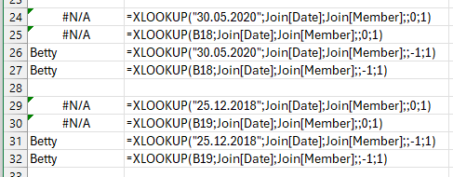
#N/A | =XLOOKUP("30.05.2020";Join[Date];Join[Member];;0;1)
#N/A | =XLOOKUP(B18;Join[Date];Join[Member];;0;1)
Betty | =XLOOKUP("30.05.2020";Join[Date];Join[Member];;-1;1)
Betty | =XLOOKUP(B18;Join[Date];Join[Member];;-1;1)

#N/A | =XLOOKUP("25.12.2018";Join[Date];Join[Member];;0;1)
#N/A | =XLOOKUP(B19;Join[Date];Join[Member];;0;1)
Betty | =XLOOKUP("25.12.2018";Join[Date];Join[Member];;-1;1)
Betty | =XLOOKUP(B19;Join[Date];Join[Member];;-1;1)

