Home
Conditionally Formatting Data: Examples and Guidelines

Home
To navigate to the worksheet you want to see, click the worksheet name button in the Worksheet column.
To return to this Home worksheet, click the Home button in the top left cell of any other worksheet.

Products1
Products2
Worksheet | Rule Type | Description
 | Cell value | Find specific numbers, dates, and text in a list of products
 | Cell value (with formula) | See a dynamically changed number or text value in a list of products
Book tour
 | Top/bottom values Above/below average | Identify top, bottom, and above average values in a recent book tour report
Grades
 | Top/bottom values | Determine who are the top two students in the class
Customers1
 | Unique/duplicate | Find duplicate rows in a list of customers
Quarters
 | Icon set | Quickly see revenue status and trends from one quarter to the next
Bike rating
 | Icon set | Compare different product criteria by using a rating scale
FY months
 | Icon set | Examine profit trends from month to month
Regional sales
 | Icon set | Identify regional sales below $900,000
Mountains
 | Data bars | Compare heights of the tallest mountains
Category sales
 | 3 color scale | Examine overall sales distributions in key product categories
Banded rows
 | Formula-based | Shade alternate rows in a range
Compare to totals
 | Formula-based | Compare data in a cell outside the conditionally formatted range of cells
Products3
 | Formula-based | Shade an entire row where several criteria must be true
Customers2
 | Formula-based | Shade an entire row if the row is a unique value

Products1
Home
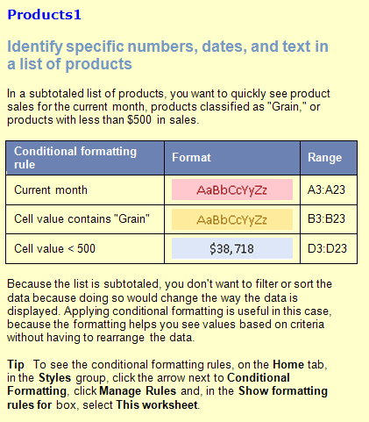
Date | Product | Region | Amount
04/09/2020 | Dairy | Denmark | $1,148.00
05/26/2020 | Produce | Denmark | $1,530.00
12/07/2019 | Produce | Denmark | $1,423.50
 |  | Denmark Total | $4,101.50
11/05/2019 | Dairy | Finland | $192.10
07/12/2020 | Dairy | Finland | $351.00
06/02/2020 | Grain | Finland | $560.40
 |  | Finland Total | $1,103.50
08/30/2020 | Dairy | Germany | $470.00
07/26/2020 | Dairy | Germany | $17.40
09/24/2020 | Grain | Germany | $1,405.00
10/30/2020 | Grain | Germany | $470.00
08/26/2020 | Grain | Germany | $17.40
07/07/2020 | Grain | Germany | $747.00
06/26/2020 | Produce | Germany | $17.40
07/07/2020 | Produce | Germany | $747.00
 |  | Germany Total | $3,891.20
01/18/2020 | Dairy | Italy | $3,194.20
02/13/2020 | Dairy | Italy | $438.43
12/18/2019 | Produce | Italy | $3,194.20
03/13/2020 | Produce | Italy | $438.43
 |  | Italy Total | $7,265.26

Products2
Home
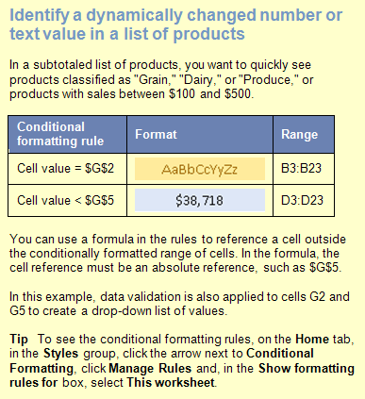
Date | Product | Region | Amount | Change Product: | Grain
04/09/2020 | Dairy | Denmark | $1,148.00
05/26/2020 | Produce | Denmark | $1,530.00
12/07/2019 | Produce | Denmark | $1,423.50 | Change Amount: | $200
 |  | Denmark Total | $4,101.50
11/05/2019 | Dairy | Finland | $192.10
07/12/2020 | Dairy | Finland | $351.00
06/02/2020 | Grain | Finland | $560.40
 |  | Finland Total | $1,103.50
08/30/2020 | Dairy | Germany | $470.00
07/26/2020 | Dairy | Germany | $17.40
09/24/2020 | Grain | Germany | $1,405.00
10/30/2020 | Grain | Germany | $470.00
08/26/2020 | Grain | Germany | $17.40
07/07/2020 | Grain | Germany | $747.00
06/26/2020 | Produce | Germany | $17.40
07/07/2020 | Produce | Germany | $747.00
 |  | Germany Total | $3,891.20
01/18/2020 | Dairy | Italy | $3,194.20
02/13/2020 | Dairy | Italy | $438.43
12/18/2019 | Produce | Italy | $3,194.20
03/13/2020 | Produce | Italy | $438.43
 |  | Italy Total | $7,265.26

Book tour
Home
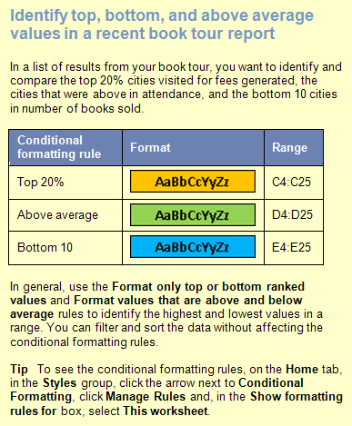
 |  | (Top 20%) | (Above Average) | (Bottom 10)
City | Date | Fee | Attendance | Books Sold
Anchorage | 2020-03-15 | $1,038 | 179 | 98
Atlanta | 2020-02-08 | $1,880 | 149 | 95
Boston | 2020-01-25 | $821 | 385 | 146
Charleston | 2020-01-29 | $1,822 | 328 | 124
Cleveland | 2020-02-10 | $1,073 | 128 | 32
Detroit | 2020-02-14 | $1,881 | 376 | 58
Flagstaff | 2020-03-25 | $1,222 | 37 | 5
Los Angeles | 2020-03-05 | $945 | 265 | 47
Memphis | 2020-02-06 | $910 | 93 | 45
New Orleans | 2020-03-31 | $1,233 | 415 | 59
New York | 2020-01-23 | $1,180 | 205 | 147
Philadelphia | 2020-01-31 | $1,965 | 145 | 31
Phoenix | 2020-03-23 | $955 | 37 | 8
Portland | 2020-03-09 | $781 | 85 | 33
Providence | 2020-02-02 | $1,964 | 111 | 73
Salt Lake City | 2020-03-21 | $1,190 | 275 | 37
San Francisco | 2020-03-07 | $904 | 171 | 145
Seattle | 2020-03-11 | $936 | 279 | 109
St. Louis | 2020-02-18 | $926 | 354 | 19
Topeka | 2020-02-20 | $1,775 | 66 | 12
Vancouver, B.C. | 2020-03-13 | $1,740 | 69 | 59
Washington, D.C. | 2020-01-27 | $1,724 | 499 | 151

Grades
Home
Student | Quiz1 | Exam1 | Quiz2 | Exam2 | Grade
Nancy | 96 | 97 | 90 | 82 | 90
Andrew | 59 | 55 | 71 | 94 | 72
Janet | 69 | 71 | 98 | 98 | 84
Margaret | 99 | 90 | 59 | 79 | 83
Steven | 56 | 86 | 65 | 74 | 75
Michael | 57 | 61 | 84 | 67 | 66
Robert | 55 | 86 | 59 | 86 | 79
Laura | 89 | 91 | 91 | 81 | 87
Anne | 55 | 77 | 91 | 86 | 79

Customers1
Home
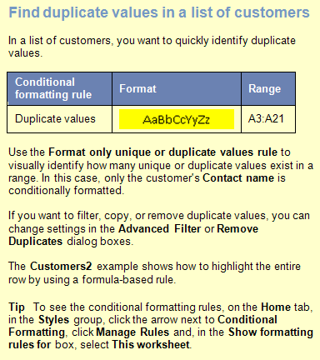
Contact Name | Address | City | Postal Code | Country | Phone
Ana Trujillo | Avda. de la Constitución 2222 | México D.F. | 5021 | Mexico | (5) 555-4729
Antonio Moreno | Mataderos 2312 | México D.F. | 5023 | Mexico | (5) 555-3932
Christina Berglund | Berguvsvägen 8 | Luleå | S-958 22 | Sweden | 0921-12 34 65
Frédérique Citeaux | 24, place Kléber | Strasbourg | 67000 | France | 88.60.15.31
Thomas Hardy | 120 Hanover Sq. | London | WA1 1DP | UK | (171) 555-7788
Georg Pipps | Geislweg 14 | Salzburg | 5020 | Austria | 6562-9722
Guillermo Fernández | Calle Dr. Jorge Cash 321 | México D.F. | 5033 | Mexico | (5) 552-3745
Hanna Moos | Forsterstr. 57 | Mannheim | 68306 | Germany | 0621-08460
Henriette Pfalzheim | Mehrheimerstr. 369 | Köln | 50739 | Germany | 0221-0644327
Henriette Pfalzheim | Mehrheimerstr. 369 | Köln | 50739 | Germany | 0221-0644327
Horst Kloss | Taucherstraße 10 | Cunewalde | 1307 | Germany | 0372-035188
Isabel de Castro | Estrada da saúde n. 58 | Lisboa | 1756 | Portugal | (1) 356-5634
Maria Anders | Obere Str. 57 | Berlin | 12209 | Germany | 030-0074321
Marie Bertrand | 265, boulevard Charonne | Paris | 75012 | France | (1) 42.34.22.66
Hanna Moos | Forsterstr. 57 | Mannheim | 68306 | Germany | 0621-08460
Sergio Gutiérrez | Av. del Libertador 900 | Buenos Aires | 1010 | Argentina | (1) 123-5555
Thomas Hardy | 120 Hanover Sq. | London | WA1 1DP | UK | (171) 555-7788
Maria Anders | Obere Str. 57 | Berlin | 12209 | Germany | 030-0074321
Thomas Hardy | 120 Hanover Sq. | London | WA1 1DP | UK | (171) 555-7788

Quarters
Home
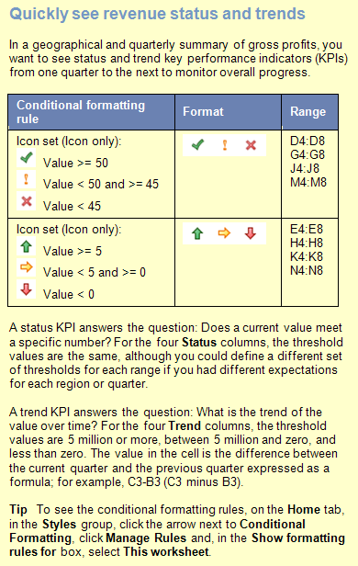
 | 2019 | 2020 Gross Profits (in Millions)
Area | Q4 | Q1 | Status | Trend | Q2 | Status | Trend | Q3 | Status | Trend | Q4 | Status | Trend
Europe | $32 | $33 | 33 | 1 | $81 | 81 | $48 | $72 | 72 | -9 | $56 | 56 | -16
S. America | $26 | $29 | 29 | 3 | $30 | 30 | $1 | $42 | 42 | 12 | $69 | 69 | 27
Far East | $49 | $62 | 62 | 13 | $70 | 70 | $8 | $43 | 43 | -27 | $63 | 63 | 20
Australia | $22 | $64 | 64 | 42 | $78 | 78 | $14 | $38 | 38 | -40 | $45 | 45 | 7
N. America | $11 | $67 | 67 | 56 | $77 | 77 | $10 | $35 | 35 | -42 | $76 | 76 | 41

Bike rating
Home
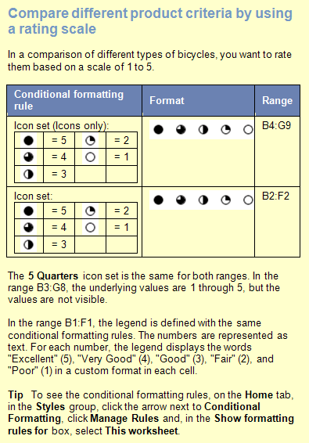
 | Excellent | Very Good | Good | Fair | Poor
Product | Shifting | Brakes | Handle Bars | Seat | Frequency of Repair | Overall Score
Mountain Bike | 5 | 1 | 1 | 2 | 3 | 2.4
Comfort Rider | 4 | 3 | 3 | 5 | 4 | 3.8
Hybrid | 3 | 3 | 3 | 3 | 2 | 2.8
Road Bike | 3 | 1 | 1 | 2 | 1 | 1.6
Recumbant | 2 | 3 | 3 | 4 | 2 | 2.8
Unicycle | 3 | 2 | 2 | 1 | 5 | 2.6

FY months
Home
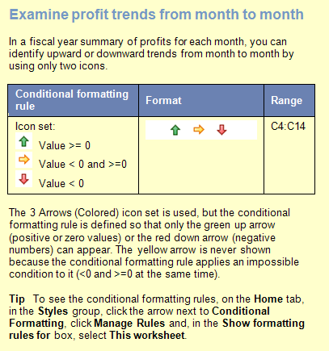
FY 2020 | Profits | Trend
July | $5,000
August | $7,000 | $2,000
September | $10,000 | $3,000
October | $2,500 | -$7,500
November | $4,000 | $1,500
December | $9,800 | $5,800
January | $5,400 | -$4,400
February | $6,700 | $1,300
March | $4,300 | -$2,400
April | $11,000 | $6,700
May | $12,500 | $1,500
June | $9,800 | -$2,700

Regional sales
Home
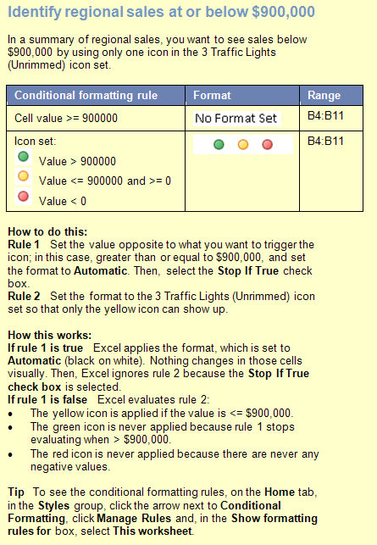
 | < $900,000
Region | Sales
NorthWest | $1,781,345
West | $534,389
SouthWest | $1,009,268
South | $899,999
Central | $2,345,184
NorthEast | $900,000
East | $1,567,090
Territories | $34,678
Total | $9,071,953

 | $1,567,090

Mountains
Home
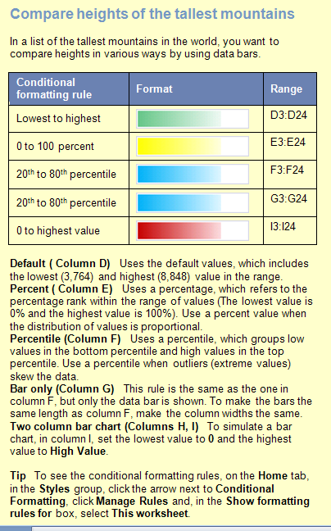
Mountain | Location | Height (m) | Default Value | Percent | Percen- tile | Bar only | Two column bar chart
Aconcagua | Argentina | 6,960 | 6,960 | 6,960 | 6,960 | 6,960 | 6,960 | 6,960
Annapurna I | Nepal | 8,078 | 8,078 | 8,078 | 8,078 | 8,078 | 8,078 | 8,078
Ararat | Turkey | 5,122 | 5,122 | 5,122 | 5,122 | 5,122 | 5,122 | 5,122
Citlaltepetl | Mexico | 5,700 | 5,700 | 5,700 | 5,700 | 5,700 | 5,700 | 5,700
Cook | New Zealand | 3,764 | 3,764 | 3,764 | 3,764 | 3,764 | 3,764 | 3,764
Everest | Nepal-China | 8,848 | 8,848 | 8,848 | 8,848 | 8,848 | 8,848 | 8,848
Grand Teton | Wyoming, U.S. | 4,196 | 4,196 | 4,196 | 4,196 | 4,196 | 4,196 | 4,196
Huascaran | Peru | 6,768 | 6,768 | 6,768 | 6,768 | 6,768 | 6,768 | 6,768
Jaja | New Guinea | 5,029 | 5,029 | 5,029 | 5,029 | 5,029 | 5,029 | 5,029
Jebel Toubkal | Morocco | 4,164 | 4,164 | 4,164 | 4,164 | 4,164 | 4,164 | 4,164
K2 | Kashmir | 8,611 | 8,611 | 8,611 | 8,611 | 8,611 | 8,611 | 8,611
Kanchenjunga | India-Nepal | 8,598 | 8,598 | 8,598 | 8,598 | 8,598 | 8,598 | 8,598
Kilimanjaro | Tanzania | 5,895 | 5,895 | 5,895 | 5,895 | 5,895 | 5,895 | 5,895
Kinabalu | Malaysia | 4,101 | 4,101 | 4,101 | 4,101 | 4,101 | 4,101 | 4,101
Logan | Yukon, Canada | 6,050 | 6,050 | 6,050 | 6,050 | 6,050 | 6,050 | 6,050
McKinley | Alaska, U.S. | 6,194 | 6,194 | 6,194 | 6,194 | 6,194 | 6,194 | 6,194
Mont Blanc | France-Italy | 4,807 | 4,807 | 4,807 | 4,807 | 4,807 | 4,807 | 4,807
Monte Rosa | Italy-Switzerland | 4,634 | 4,634 | 4,634 | 4,634 | 4,634 | 4,634 | 4,634
Ojos del Salado | Argentina-Chile | 6,880 | 6,880 | 6,880 | 6,880 | 6,880 | 6,880 | 6,880
Ras Dashan | Ethiopia | 4,260 | 4,260 | 4,260 | 4,260 | 4,260 | 4,260 | 4,260
Sajama | Bolivia | 6,520 | 6,520 | 6,520 | 6,520 | 6,520 | 6,520 | 6,520
Vinson Massif | Antarctica | 5,140 | 5,140 | 5,140 | 5,140 | 5,140 | 5,140 | 5,140

Category sales
Home
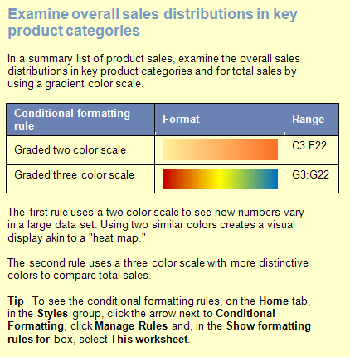
Country | Region | Dairy | Produce | Grain | Beverage | Total Sales
Finland | North | $32,726 | $38,483 | $33,016 | $19,474 | $123,699
Finland | South | $34,733 | $37,971 | $32,236 | $16,734 | $121,674
Spain | North | $31,062 | $73,611 | $61,085 | $45,120 | $210,878
Spain | South | $45,389 | $22,189 | $22,040 | $60,116 | $149,734
France | East | $63,539 | $50,602 | $25,347 | $21,991 | $161,479
France | West | $49,382 | $39,100 | $55,406 | $31,810 | $175,698
Norway | North | $21,842 | $62,310 | $42,256 | $19,191 | $145,599
Norway | South | $15,566 | $28,321 | $21,355 | $47,141 | $112,383
Denmark | East | $63,332 | $70,239 | $61,149 | $56,706 | $251,426
Denmark | West | $21,386 | $29,939 | $63,308 | $47,036 | $161,669
Italy | Mid | $10,471 | $15,781 | $44,755 | $64,064 | $135,071
Italy | South | $40,282 | $36,045 | $35,135 | $32,748 | $144,210
Germany | East | $60,161 | $32,055 | $24,207 | $26,952 | $143,375
Germany | West | $70,606 | $58,763 | $65,356 | $15,132 | $209,857
UK | North | $13,522 | $36,363 | $24,925 | $56,741 | $131,551
UK | South | $50,055 | $28,828 | $28,333 | $49,805 | $157,021
Belgium | North | $57,008 | $65,101 | $73,444 | $29,043 | $224,596
Belgium | Mid | $52,202 | $60,639 | $38,777 | $52,787 | $204,405
Sweden | Mid | $65,925 | $10,865 | $41,532 | $10,731 | $129,053
Sweden | South | $61,525 | $22,930 | $10,785 | $60,148 | $155,388

Banded rows
Home
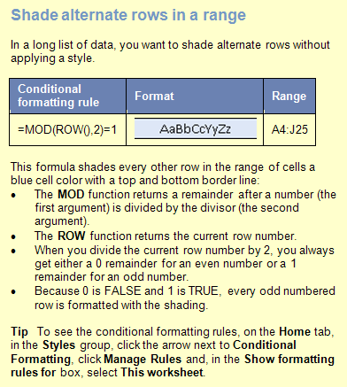
 | Widgets |  |  | Whatnots |  |  | Whoseits
Account # | Actuals | Budget | Variance | Actuals | Budget | Variance | Actuals | Budget | Variance
VF-56 | $828,923 | $525,102 | 58 % | $553,082 | $440,237 | 26 % | $389,859 | $373,537 | 4 %
NA-16 | $17,911 | $263,640 | -93 % | $796,045 | $475,995 | 67 % | $764,213 | $67,530 | 1032 %
YI-31 | $45,016 | $129,498 | -65 % | $578,806 | $680,391 | -15 % | $551,418 | $141,283 | 290 %
CF-33 | $437,361 | $84,668 | 417 % | $178,970 | $490,475 | -64 % | $183,076 | $473,213 | -61 %
AT-38 | $619,932 | $704,848 | -12 % | $893,278 | $821,136 | 9 % | $504,880 | $138,708 | 264 %
IR-59 | $262,543 | $616,172 | -57 % | $203,017 | $531,739 | -62 % | $699,009 | $161,153 | 334 %
SP-95 | $506,004 | $118,953 | 325 % | $855,252 | $358,632 | 138 % | $365,882 | $606,000 | -40 %
GT-96 | $317,381 | $336,700 | -6 % | $626,232 | $797,406 | -21 % | $770,559 | $789,980 | -2 %
AQ-18 | $417,676 | $549,676 | -24 % | $104,696 | $803,328 | -87 % | $642,605 | $153,226 | 319 %
LX-84 | $478,518 | $427,397 | 12 % | $385,078 | $154,539 | 149 % | $743,726 | $602,881 | 23 %
BG-53 | $402,440 | $450,463 | -11 % | $299,815 | $366,979 | -18 % | $468,461 | $172,335 | 172 %
DF-84 | $511,325 | $149,980 | 241 % | $486,677 | $702,406 | -31 % | $602,059 | $703,775 | -14 %
MM-33 | $287,030 | $772,719 | -63 % | $31,254 | $827,509 | -96 % | $882,879 | $70,813 | 1147 %
VZ-105 | $449,917 | $444,492 | 1 % | $609,250 | $303,316 | 101 % | $667,870 | $394,949 | 69 %
YS-39 | $459,117 | $668,364 | -31 % | $133,932 | $504,651 | -73 % | $58,487 | $656,804 | -91 %
TO-55 | $722,245 | $850,786 | -15 % | $554,527 | $21,385 | 2493 % | $505,097 | $350,394 | 44 %
WF-69 | $266,636 | $178,433 | 49 % | $537,783 | $38,483 | 1297 % | $57,354 | $863,778 | -93 %
VA-41 | $270,480 | $794,357 | -66 % | $837,665 | $808,048 | 4 % | $748,117 | $563,125 | 33 %
OL-94 | $464,252 | $205,673 | 126 % | $366,163 | $186,063 | 97 % | $890,613 | $16,835 | 5190 %
TL-14 | $477,958 | $461,381 | 4 % | $240,605 | $474,793 | -49 % | $815,550 | $249,015 | 228 %
XZ-75 | $784,017 | $666,658 | 18 % | $653,507 | $794,167 | -18 % | $591,929 | $298,557 | 98 %
BC-92 | $327,856 | $412,337 | -20 % | $437,507 | $26,499 | 1551 % | $295,408 | $512,575 | -42 %

Compare to totals
Home
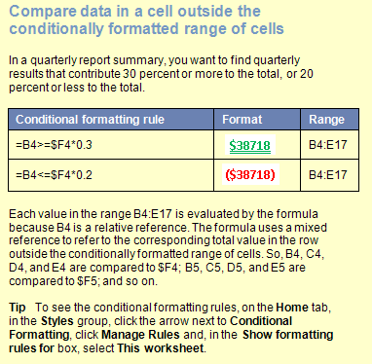
 | Q1 | Q2 | Q3 | Q4 | Totals
Division A
North | $55 | $40 | $55 | $70 | $220
East | $59 | $98 | $76 | $90 | $323
South | $60 | $46 | $86 | $78 | $270
West | $90 | $65 | $82 | $45 | $282
Division B
North | $47 | $81 | $54 | $61 | $243
East | $89 | $63 | $71 | $58 | $281
South | $61 | $49 | $88 | $86 | $284
West | $54 | $64 | $91 | $73 | $282
Division C
North | $76 | $45 | $78 | $92 | $291
East | $81 | $62 | $47 | $59 | $249
South | $85 | $62 | $82 | $83 | $312
West | $56 | $72 | $72 | $89 | $289

 | Q1 | Q2 | Q3 | Q4 | Totals
Division A
North | $52 | $88 | $52 | $70 | $262
East | $59 | $89 | $76 | $90
South | $60 | $46 | $86 | $78
West | $90 | $65 | $82 | $45
Division B
North | $53 | $66 | $54 | $61
East | $89 | $63 | $71 | $58
South | $61 | $49 | $88 | $88
West | $54 | $64 | $91 | $73
Division C
North | $76 | $45 | $78 | $92
East | $81 | $62 | $47 | $59
South | $85 | $64 | $82 | $83
West | $56 | $72 | $72 | $89

Products3
Home
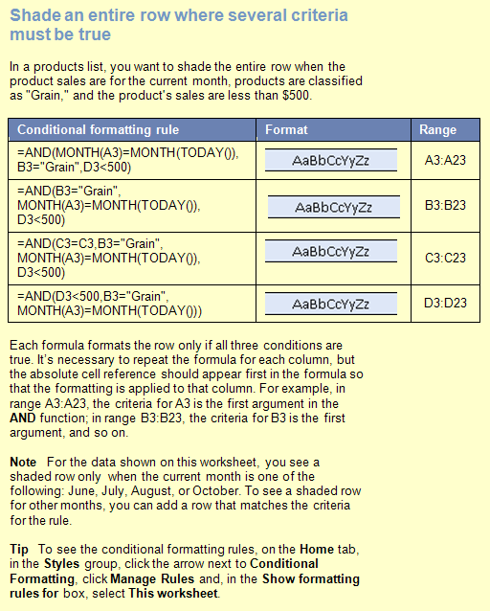
Date | Product | Region | Amount
04/09/2020 | Dairy | Denmark | $1,148.00
05/26/2020 | Produce | Denmark | $1,530.00
12/07/2019 | Produce | Denmark | $1,423.50
 |  | Denmark Total | $4,101.50
11/05/2019 | Dairy | Finland | $192.10
07/12/2020 | Dairy | Finland | $351.00
06/02/2020 | Grain | Finland | $490.50
 |  | Finland Total | $1,033.60
08/30/2020 | Dairy | Germany | $470.00
07/26/2020 | Dairy | Germany | $17.40
09/24/2020 | Grain | Germany | $1,405.00
10/30/2020 | Grain | Germany | $470.00
08/26/2020 | Grain | Germany | $17.40
07/07/2020 | Grain | Germany | $447.00
06/26/2020 | Produce | Germany | $17.40
07/07/2020 | Produce | Germany | $747.00
 |  | Germany Total | $3,591.20
01/18/2020 | Dairy | Italy | $3,194.20
02/13/2020 | Dairy | Italy | $438.43
12/18/2019 | Produce | Italy | $3,194.20
03/13/2020 | Produce | Italy | $438.43
 |  | Italy Total | $7,265.26

Customers2
Home
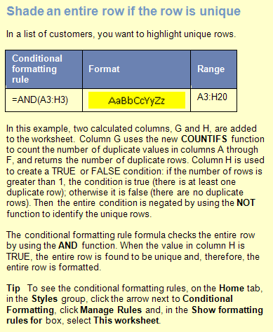
Contact Name | Address | City | Postal Code | Country | Phone | # | T/F
Christina Berglund | Berguvsvägen 8 | Luleå | S-958 22 | Sweden | 0921-12 34 65 | 1 | 0
Hanna Moos | Forsterstr. 57 | Mannheim | 68306 | Germany | 0621-08460 | 2 | 0
Henriette Pfalzheim | Mehrheimerstr. 369 | Köln | 50739 | Germany | 0221-0644327 | 2 | 0
Maria Anders | Obere Str. 57 | Berlin | 12209 | Germany | 030-0074321 | 2 | 0
Sergio Gutiérrez | Av. del Libertador 900 | Buenos Aires | 1010 | Argentina | (1) 123-5555 | 1 | 0
Thomas Hardy | 120 Hanover Sq. | London | WA1 1DP | UK | (171) 555-7788 | 3 | 0
Marie Bertrand | 265, blvd. Charonne | Paris | 75012 | France | (1) 42.34.22.66 | 1 | 0
Thomas Hardy | 120 Hanover Sq. | London | WA1 1DP | UK | (171) 555-7788 | 3 | 0
Antonio Moreno | Mataderos 2312 | México D.F. | 5023 | Mexico | (5) 555-3932 | 1 | 0
Maria Anders | Obere Str. 57 | Berlin | 12209 | Germany | 030-0074321 | 2 | 0
Isabel de Castro | Estrada da saúde n. 58 | Lisboa | 1756 | Portugal | (1) 356-5634 | 1 | 0
Guillermo Fernández | Calle Dr. Jorge Cash 321 | México D.F. | 5033 | Mexico | (5) 552-3745 | 1 | 0
Frédérique Citeaux | 24, place Kléber | Strasbourg | 67000 | France | 88.60.15.31 | 1 | 0
Thomas Hardy | 120 Hanover Sq. | London | WA1 1DP | UK | (171) 555-7788 | 3 | 0
Horst Kloss | Taucherstraße 10 | Cunewalde | 1307 | Germany | 0372-035188 | 1 | 0
Georg Pipps | Geislweg 14 | Salzburg | 5020 | Austria | 6562-9722 | 1 | 0
Hanna Moos | Forsterstr. 57 | Mannheim | 68306 | Germany | 0621-08460 | 2 | 0
Henriette Pfalzheim | Mehrheimerstr. 369 | Köln | 50739 | Germany | 0221-0644327 | 2 | 0

