Tabelle1
A Title
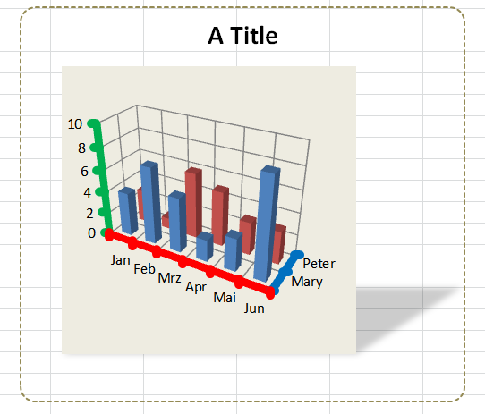
Month | Mary | Peter
Jan | 4 | 3
Feb | 7 | 1
Mrz | 5 | 6
Apr | 2 | 5
Mai | 3 | 3
Jun | 9 | 3

 |  |  | Screenshot

