Methods
1. Using the ACE program in Acrobat, extract the ODE tables (both domestic and export = near 400 lines) from TC website into the 6 pages.
2. Paste these pages into the next tab (RAW DATA)
3. Sort out anything that doesn't have EMPRESS as the receipt point
ie. | CENTRA GAS ONTARIO INC. | 19980420 | 19981101 | 20081031 | FT | 1944 | 1944 | Empress | WDA
 | COCHRANE POWER CORPORATION | 19881201 | 19891201 | 20091130 | FT | 6089 | 6089 | Empress | NDA
 | DOMTAR INC. | 19981201 | 19981201 | 20081031 | FT | 3391 | 3391 | Empress | WDA
4. Paste the values into the Data to Date tab carefully (ie don't overwrite the yellow section, which coverts the numbers to usable dates)
5. Paste to Date Ready tab
6. Fix Fuels on Data Ready tab (ie sort by Destination first).

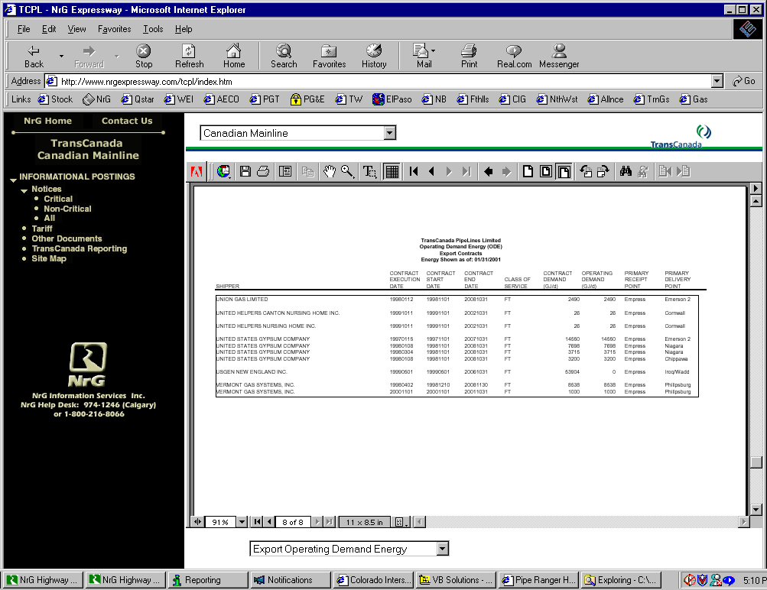

Turnbacks
TCPL Contracted Empress Receipt Volumes
4/1/2001 | 4,752
5/1/2001 | 4,751
6/1/2001 | 4,751
7/1/2001 | 4,750
8/1/2001 | 4,743
9/1/2001 | 4,738
11/1/2001 | 4,454
12/1/2001 | 4,446
1/1/2002 | 4,441
2/1/2002 | 4,437
4/1/2002 | 4,433
4/16/2002 | 4,433
5/1/2002 | 4,428
5/7/2002 | 4,418
6/1/2002 | 4,418
7/1/2002 | 4,401
10/1/2002 | 4,400
11/1/2002 | 4,087
12/1/2002 | 4,087
4/1/2003 | 4,087
11/1/2003 | 2,898
1/1/2004 | 2,601
4/16/2004 | 2,601
8/15/2004 | 2,556
11/1/2004 | 2,331
1/1/2005 | 2,109
4/1/2005 | 2,031
11/1/2005 | 1,807
4/1/2006 | 1,807
4/16/2006 | 1,807
5/5/2006 | 1,795
8/1/2006 | 1,794
9/1/2006 | 1,793
11/1/2006 | 875
4/1/2007 | 838
5/1/2007 | 833
11/1/2007 | 519
11/1/2008 | 242
12/1/2008 | 234
12/10/2008 | 190
3/10/2009 | 159
3/11/2009 | 142
4/1/2009 | 138
6/21/2009 | 84
11/1/2009 | -78

