ST-Backtest
Backtesting Agg-Power West VaR 07/01/2001 - 11/05/2001
 | Curvershift | VaR | UP95
37074 | -4097.0908062 | -24793.784695 | 21873.801378
37075 | -247.031864 | -24134.482471 | 21166.628165
37076 | 0 | 0 | 0
37077 | 1668.2300988 | -25256.760892 | 22278.199274
37078 | -6374.6949884 | -29222.399924 | 25270.205389
37081 | 4355.3692349 | -28664.060314 | 24806.735337
37082 | 8319.9076006 | -29153.521172 | 26917.268481
37083 | 20075.742447 | -24570.231953 | 23685.956546
37084 | -1762.4744071 | -25080.359607 | 23529.354644
37085 | 12662.568701 | -24439.528044 | 22802.255205
37088 | 9558.6897645 | -23054.298599 | 21933.771629
37089 | 26.852583636 | -20193.477706 | 19217.360366
37090 | 797.17218101 | -21093.945648 | 19217.968081
37091 | 782.14713522 | -20465.466546 | 18711.508321
37092 | -2742.9086238 | -21104.67346 | 19313.649618
37095 | -367.00867557 | -23807.030166 | 22360.062294
37096 | 4817.861884 | -22654.39951 | 21360.70064
37097 | -64.873865344 | -22437.421008 | 20415.390862
37098 | -500.43205557 | -23585.862798 | 21319.446812
37099 | 1736.7802129 | -22292.34179 | 20138.39577
37102 | 2026.0425093 | -20284.49046 | 18875.2607
37103 | -19040.780237 | -22895.272724 | 22040.78317
37104 | -3842.8098473 | -24476.67989 | 22994.159348
37105 | -3098.2784791 | -25359.673044 | 22986.482047
37106 | -205.37888996 | -26105.914044 | 23838.64683
37109 | 3615.3206933 | -21779.239695 | 21154.946269
37110 | 2633.509755 | -22414.692151 | 21590.828231
37111 | -1517.8104013 | -22118.803663 | 21344.842878
37112 | -2292.1494615 | -22372.62534 | 21351.884087
37113 | -809.83567668 | -22819.745939 | 21957.346096
37116 | 9195.3059196 | -20996.242389 | 20210.749117
37117 | 704.18066238 | -23513.798818 | 22470.134326
37118 | -5560.459527 | -25980.173076 | 25483.16703
37119 | -7178.8081052 | -25322.393753 | 24849.943469
37120 | -2469.5587482 | -25801.547799 | 25097.529499
37123 | -357.0276695 | -25112.321317 | 24264.729003
37124 | 10727.956526 | -25193.540958 | 24482.831992
37125 | 3939.2903922 | -23771.904844 | 22865.226016
37126 | 5645.4230725 | -21267.607741 | 20218.468693
37127 | 8072.621642 | -20076.188063 | 19396.900471
37130 | 10381.348135 | -17821.655113 | 17298.92443
37131 | 10193.210401 | -17460.012474 | 17146.844638
37132 | 16091.716118 | -14184.970008 | 13915.982206
37133 | 3270.4692312 | -14960.960507 | 13396.743275
37134 | 4078.2089655 | -15736.074953 | 14105.532939
37137 | 0 | 0 | 0
37138 | 6263.0889587 | -15374.707413 | 13817.6331
37139 | -9187.6310396 | -18170.791183 | 16546.279312
37140 | -4974.5818966 | -17738.631784 | 15637.264661
37141 | -2358.5511348 | -17770.515286 | 15618.368884
...

LT-Backtest
Backtesting Agg-Power West VaR 01/02/2001 - 11/05/2001
 | Curvershift | VaR | UP95
36893 | -32996.667738 | -23333.495378 | 24041.198324
36894 | -7752.8297961 | -22206.034706 | 22960.968978
36895 | 796.9313415 | -21794.167074 | 22351.651287
36896 | 10906.589352 | -20968.405743 | 33747.025496
36899 | 4400.9353898 | -32021.767527 | 27133.513934
36900 | 1563.3895183 | -25975.835213 | 30289.63873
36901 | 405088.11979 | -29270.543757 | 32877.225967
36902 | 279387.73273 | -31892.121709 | 41335.504476
36903 | -12211.557452 | -37894.637393 | 0
36906 | 0 | 0 | 41309.842051
36907 | -59.831277212 | -38208.8416 | 10189.163065
36908 | 8986.0541589 | -9578.458169 | 16888.214753
36909 | 23892.192904 | -16417.875788 | 16523.059728
36910 | 4410.3730903 | -16186.394846 | 16129.812921
36913 | 33235.375355 | -15281.010932 | 10740.98436
36914 | 22484.073774 | -10110.083876 | 8492.3997996
36915 | 4854.6616738 | -8154.3237884 | 7396.9218034
36916 | -7260.8808014 | -6948.8371505 | 9075.7638135
36917 | 8709.7736329 | -8570.2374771 | 8547.7126183
36920 | 17466.331857 | -8020.6160533 | 13114.857649
36921 | 2491.2800533 | -12344.995381 | 15795.774701
36922 | 17289.798519 | -15596.433611 | 18380.803479
36923 | 11287.391995 | -18337.286113 | 18125.820008
36924 | -13765.325478 | -17824.9224 | 20736.199682
36927 | -8724.8352865 | -21075.572702 | 25569.641548
36928 | -7202.1618224 | -26023.22595 | 20563.895118
36929 | -51134.330149 | -20571.381641 | 17149.481769
36930 | 9310.7476572 | -17154.849537 | 24623.068555
36931 | -2045.5627177 | -23981.349773 | 28663.479416
36934 | 3543.4579335 | -28089.206687 | 26682.401411
36935 | 6945.8138836 | -26390.576918 | 24265.578667
36936 | 13386.07208 | -24242.432553 | 22263.800503
36937 | -6498.0686739 | -21945.822355 | 27573.22322
36938 | 3814.1379597 | -27447.241318 | 0
36941 | 0 | 0 | 25303.957132
36942 | -15890.01517 | -25541.642574 | 25536.335079
36943 | 3732.7604562 | -24170.46155 | 27461.828456
36944 | -8977.4063742 | -26226.414483 | 24973.371658
36945 | -283.74968876 | -23856.795608 | 22233.730672
36948 | -7359.6462477 | -21405.730249 | 21872.932312
36949 | 485.81864671 | -20710.40243 | 26654.369903
36950 | 1340.7335379 | -24969.085541 | 29810.70205
36951 | 23410.28069 | -28265.54615 | 28727.962351
36952 | 3612.5865811 | -26334.603332 | 26146.321546
36955 | 34990.373918 | -24256.020952 | 22991.625993
36956 | -3455.3648104 | -21699.809291 | 28881.307483
36957 | -536.77956116 | -26398.094966 | 24776.041397
36958 | -5812.8858727 | -23012.915013 | 25318.207173
36959 | 3254.4215551 | -24011.672005 | 26939.246312
36962 | -16816.169301 | -24849.71917 | 29262.179836
...

comp var
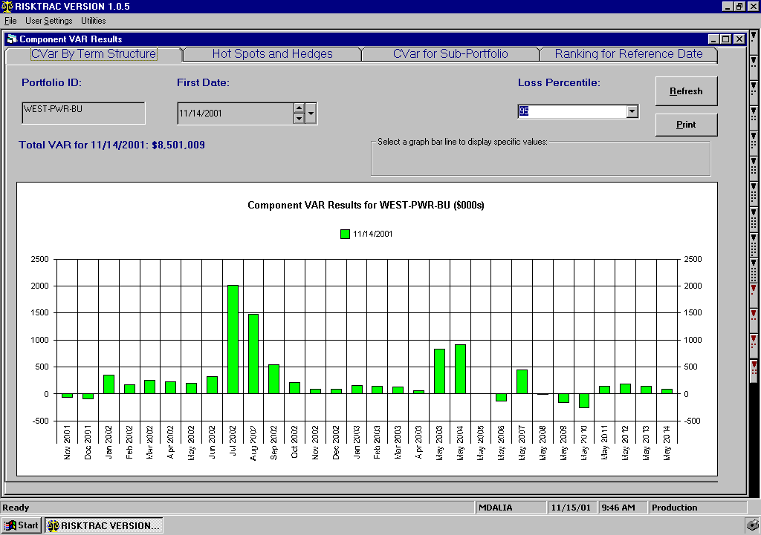

Short Q3 02 Position at Palo and Mid C

LT-MTM 11-12-01
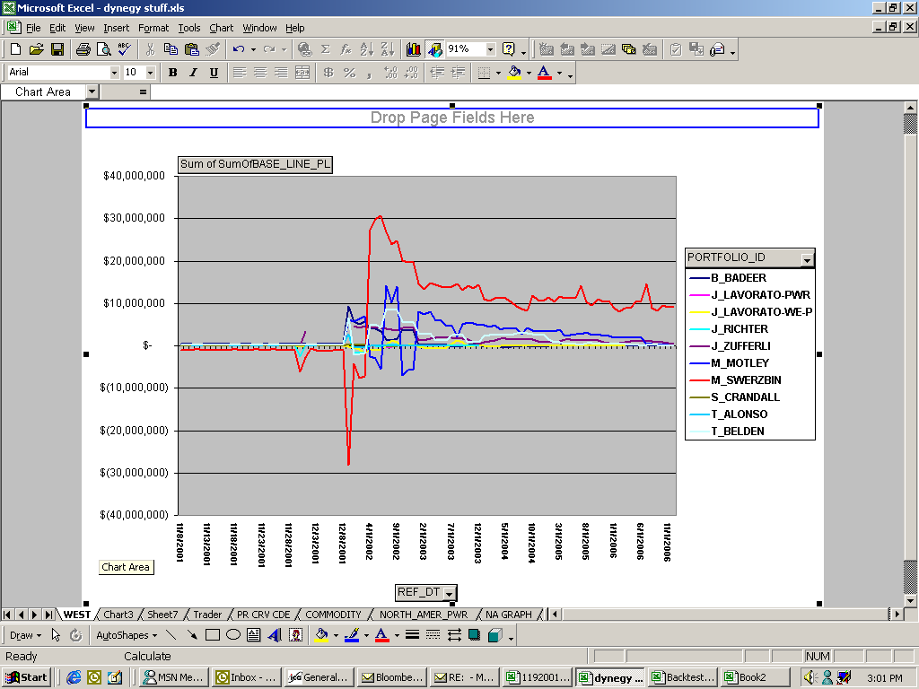

P&L Due to Short Q3 02 Position
P&L Due to Short Q3 02 Position

Long 01 Position

