QN4721.1
DEAL QN4721.1

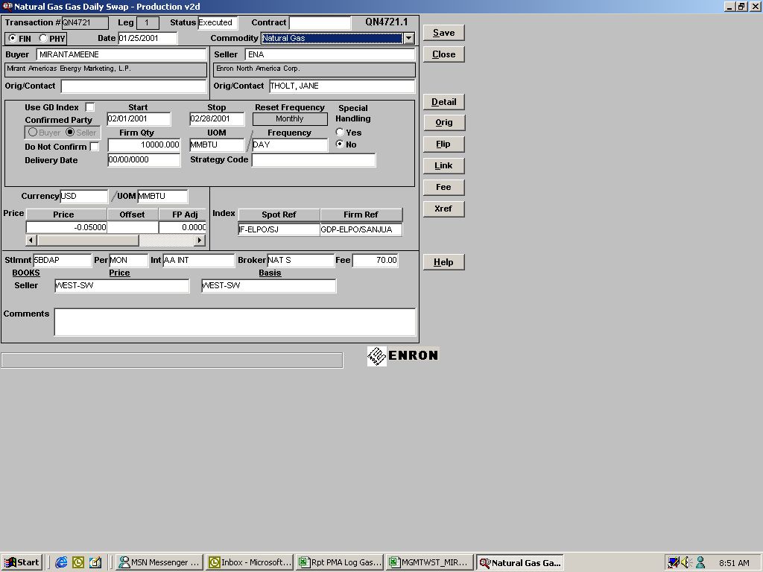
POST_ID | PORT_POSN_ID | PORTFOLIO_TYPE_CD | BOOK_CD | DEAL_NUM | DEAL_PURPOSE_CD | COMMODITY_CD | PUB_CD | FIXED_PR | MID_PR | EXP_DT | COUNTER_PARTY_CD | MO_QTY | MID_FWD_LIQUID_AMT | ORG_REGION_CD | EFFECTIVE_DT | PAY_DT
1053850 | 113 | 4 | 5 | QN4721.1 | GDSWAP | NG | GDP-ELPO/SANJUA | 6.2400 | 5.8250 | 1-Feb-01 | MIRANTAMEENE | (10,000) | 4,150.00 | WEST-SW | 28-Feb-01 | 1-Feb-01
1053850 | 114 | 4 | 5 | QN4721.1 | GDSWAP | NG | GDP-ELPO/SANJUA | 6.2400 | 5.8100 | 2-Feb-01 | MIRANTAMEENE | (10,000) | 4,300.00 | WEST-SW | 28-Feb-01 | 1-Feb-01
1053850 | 115 | 4 | 5 | QN4721.1 | GDSWAP | NG | GDP-ELPO/SANJUA | 6.2400 | 6.4100 | 3-Feb-01 | MIRANTAMEENE | (10,000) | (1,700.00) | WEST-SW | 28-Feb-01 | 1-Feb-01
1053850 | 116 | 4 | 5 | QN4721.1 | GDSWAP | NG | GDP-ELPO/SANJUA | 6.2400 | 6.4100 | 4-Feb-01 | MIRANTAMEENE | (10,000) | (1,700.00) | WEST-SW | 28-Feb-01 | 1-Feb-01
1053850 | 117 | 4 | 5 | QN4721.1 | GDSWAP | NG | GDP-ELPO/SANJUA | 6.2400 | 6.4100 | 5-Feb-01 | MIRANTAMEENE | (10,000) | (1,700.00) | WEST-SW | 28-Feb-01 | 1-Feb-01
1053850 | 118 | 4 | 5 | QN4721.1 | GDSWAP | NG | GDP-ELPO/SANJUA | 6.2400 | 5.6100 | 6-Feb-01 | MIRANTAMEENE | (10,000) | 6,300.00 | WEST-SW | 28-Feb-01 | 1-Feb-01
1053850 | 119 | 4 | 5 | QN4721.1 | GDSWAP | NG | GDP-ELPO/SANJUA | 6.2400 | 5.3800 | 7-Feb-01 | MIRANTAMEENE | (10,000) | 8,600.00 | WEST-SW | 28-Feb-01 | 1-Feb-01
1053850 | 120 | 4 | 5 | QN4721.1 | GDSWAP | NG | GDP-ELPO/SANJUA | 6.2400 | 5.7250 | 8-Feb-01 | MIRANTAMEENE | (10,000) | 5,150.00 | WEST-SW | 28-Feb-01 | 1-Feb-01
1053850 | 121 | 4 | 5 | QN4721.1 | GDSWAP | NG | GDP-ELPO/SANJUA | 6.2400 | 6.3700 | 9-Feb-01 | MIRANTAMEENE | (10,000) | (1,300.00) | WEST-SW | 28-Feb-01 | 1-Feb-01
1053850 | 122 | 4 | 5 | QN4721.1 | GDSWAP | NG | GDP-ELPO/SANJUA | 6.2400 | 6.2900 | 10-Feb-01 | MIRANTAMEENE | (10,000) | (500.00) | WEST-SW | 28-Feb-01 | 1-Feb-01
1053850 | 123 | 4 | 5 | QN4721.1 | GDSWAP | NG | GDP-ELPO/SANJUA | 6.2400 | 6.2900 | 11-Feb-01 | MIRANTAMEENE | (10,000) | (500.00) | WEST-SW | 28-Feb-01 | 1-Feb-01
1053850 | 124 | 4 | 5 | QN4721.1 | GDSWAP | NG | GDP-ELPO/SANJUA | 6.2400 | 6.2900 | 12-Feb-01 | MIRANTAMEENE | (10,000) | (500.00) | WEST-SW | 28-Feb-01 | 1-Feb-01
1053850 | 125 | 4 | 5 | QN4721.1 | GDSWAP | NG | GDP-ELPO/SANJUA | 6.2400 | 5.7650 | 13-Feb-01 | MIRANTAMEENE | (10,000) | 4,750.00 | WEST-SW | 28-Feb-01 | 1-Feb-01
1053850 | 126 | 4 | 5 | QN4721.1 | GDSWAP | NG | GDP-ELPO/SANJUA | 6.2400 | 5.4450 | 14-Feb-01 | MIRANTAMEENE | (10,000) | 7,950.00 | WEST-SW | 28-Feb-01 | 1-Feb-01
1053850 | 127 | 4 | 5 | QN4721.1 | GDSWAP | NG | GDP-ELPO/SANJUA | 6.2400 | 5.8500 | 15-Feb-01 | MIRANTAMEENE | (10,000) | 3,900.00 | WEST-SW | 28-Feb-01 | 1-Feb-01
1053850 | 128 | 4 | 5 | QN4721.1 | GDSWAP | NG | GDP-ELPO/SANJUA | 6.2400 | 5.4050 | 16-Feb-01 | MIRANTAMEENE | (10,000) | 8,350.00 | WEST-SW | 28-Feb-01 | 1-Feb-01
1053850 | 129 | 4 | 5 | QN4721.1 | GDSWAP | NG | GDP-ELPO/SANJUA | 6.2400 | 5.3900 | 17-Feb-01 | MIRANTAMEENE | (10,000) | 8,500.00 | WEST-SW | 28-Feb-01 | 1-Feb-01
1053850 | 130 | 4 | 5 | QN4721.1 | GDSWAP | NG | GDP-ELPO/SANJUA | 6.2400 | 5.3900 | 18-Feb-01 | MIRANTAMEENE | (10,000) | 8,500.00 | WEST-SW | 28-Feb-01 | 1-Feb-01
1053850 | 131 | 4 | 5 | QN4721.1 | GDSWAP | NG | GDP-ELPO/SANJUA | 6.2400 | 5.3900 | 19-Feb-01 | MIRANTAMEENE | (10,000) | 8,500.00 | WEST-SW | 28-Feb-01 | 1-Feb-01
1053850 | 132 | 4 | 5 | QN4721.1 | GDSWAP | NG | GDP-ELPO/SANJUA | 6.2400 | 5.3900 | 20-Feb-01 | MIRANTAMEENE | (10,000) | 8,500.00 | WEST-SW | 28-Feb-01 | 1-Feb-01
1053850 | 133 | 4 | 5 | QN4721.1 | GDSWAP | NG | GDP-ELPO/SANJUA | 6.2400 | 5.2050 | 21-Feb-01 | MIRANTAMEENE | (10,000) | 10,350.00 | WEST-SW | 28-Feb-01 | 1-Feb-01
1053850 | 134 | 4 | 5 | QN4721.1 | GDSWAP | NG | GDP-ELPO/SANJUA | 6.2400 | 5.2700 | 22-Feb-01 | MIRANTAMEENE | (10,000) | 9,700.00 | WEST-SW | 28-Feb-01 | 1-Feb-01
1053850 | 135 | 4 | 5 | QN4721.1 | GDSWAP | NG | GDP-ELPO/SANJUA | 6.2400 | 5.0850 | 23-Feb-01 | MIRANTAMEENE | (10,000) | 11,550.00 | WEST-SW | 28-Feb-01 | 1-Feb-01
1053850 | 136 | 4 | 5 | QN4721.1 | GDSWAP | NG | GDP-ELPO/SANJUA | 6.2400 | 4.9000 | 24-Feb-01 | MIRANTAMEENE | (10,000) | 13,400.00 | WEST-SW | 28-Feb-01 | 1-Feb-01
1053850 | 137 | 4 | 5 | QN4721.1 | GDSWAP | NG | GDP-ELPO/SANJUA | 6.2400 | 4.9000 | 25-Feb-01 | MIRANTAMEENE | (10,000) | 13,400.00 | WEST-SW | 28-Feb-01 | 1-Feb-01
1053850 | 138 | 4 | 5 | QN4721.1 | GDSWAP | NG | GDP-ELPO/SANJUA | 6.2400 | 4.9000 | 26-Feb-01 | MIRANTAMEENE | (10,000) | 13,400.00 | WEST-SW | 28-Feb-01 | 1-Feb-01
1053850 | 139 | 4 | 5 | QN4721.1 | GDSWAP | NG | GDP-ELPO/SANJUA | 6.2400 | 4.9100 | 27-Feb-01 | MIRANTAMEENE | (10,000) | 13,300.00 | WEST-SW | 28-Feb-01 | 1-Feb-01
1053850 | 140 | 4 | 5 | QN4721.1 | GDSWAP | NG | GDP-ELPO/SANJUA | 6.2400 | 4.9700 | 28-Feb-01 | MIRANTAMEENE | (10,000) | 12,700.00 | WEST-SW | 28-Feb-01 | 1-Feb-01
 |  |  |  |  |  |  |  | 6.2400 | 5.6066 |  |  | (280,000) | 177,350.03

Confirmed and settled by financial settlements |  |  |  |  |  |  |  | 6.1900 | 5.6066 |  |  | (280,000) | 163,352.03

Variance to be adjusted in Risk Profit & Loss |  |  |  |  |  |  |  | (0.0500) |  |  |  |  | (13,998.00)

