SAP Rec
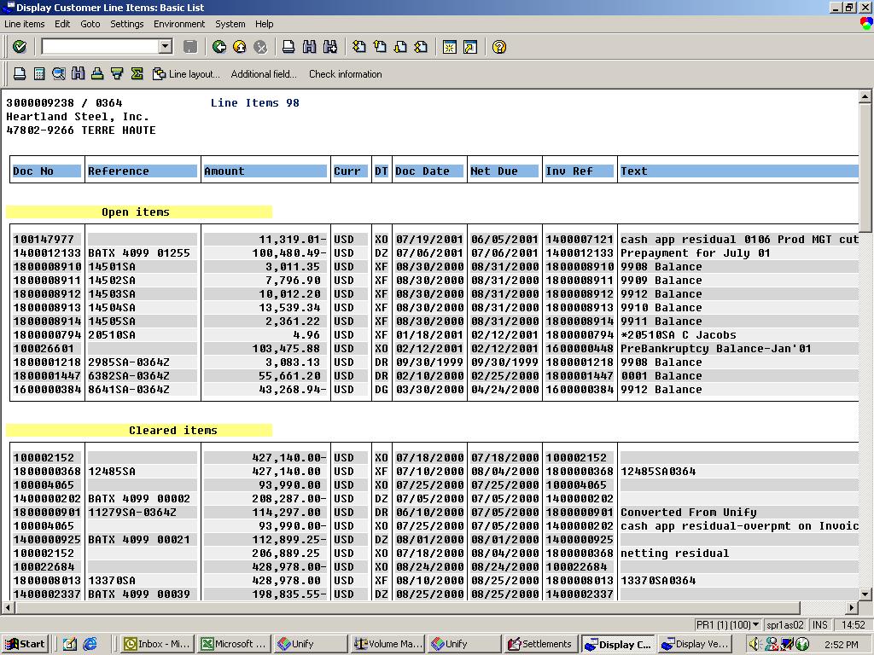

SAP Pay
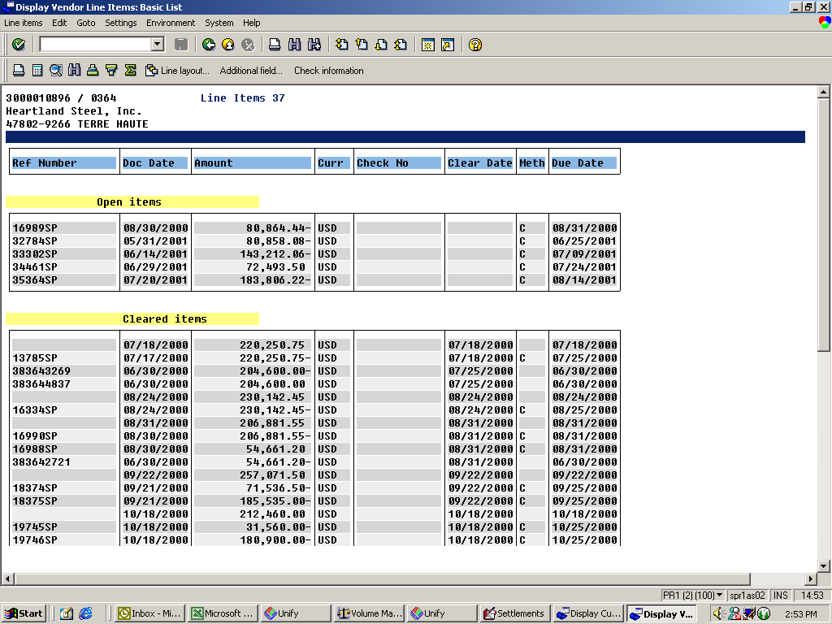

Jan manual invoice
Sales Invoice
DETAIL
 |  |  |  | Bill To: |  |  | Remit To: |  |  | Invoice Number: |  | 200101-01M
 |  |  |  | Heartland Steel, Inc. |  |  | Enron North America Corp. |  |  | Delivery Period: |  | Jan-01
 |  |  |  | 455 W. Industrial Drive |  |  | Bank: Bank of America, N.A.
 |  |  |  | Terre Haute, IN 47802-9266 |  |  | ABA: 111000012 |  |  | Invoice Date: |  | 2001-01-24
 |  |  |  |  |  |  | Acct: 3750494099

Enron North America Corp. |  |  |  |  |  |  |  |  |  | Due Date: |  | 2001-02-05
 |  |  |  | Contact: | Carrie Allen |  | Contact: | Chuck Jacobs |  | Payment Method: |  | Wire
 |  |  |  | Telephone: | (812) 299-4157 |  | Telephone: | (713) 853-6275
 |  |  |  | Fax: | (812) 299-3765 |  | Fax: | (713) 646-8420

Delivery Date
Ref. | Start | End | Description | Deal # | Tiers | Quantity | Units | Units Price | Per Unit |  | Extended | Invoice
Delivery Period: |  | Jan-01 | Contract: 96016467 |  | P/L: MGT |  | Point: 027093-INDIANA GAS TERRE-HAUTE

1 | 2001-01-01 | 2001-01-23 | Cost of Gas | 416289 |  | 34,500 | MMBtu | $10.128 | MMBtu |  | $349,416.00 | $349,416.00

 |  |  |  | Subtotal - Sales |  | 34,500 |  |  |  |  |  | $349,416.00

 |  |  |  | Invoice Total: |  | 34,500 |  |  |  |  |  | $349,416.00

 |  |  |  | Contract Termination Amount: |  |  |  |  |  |  |  | $890,930.00

 |  |  |  | Less Total Amount Paid to Date: |  |  |  |  |  |  |  | ($245,940.12)

 |  |  |  | Total amount due: |  |  |  |  |  |  |  | $994,405.88

