Allocations
EUROPEAN GOVERNMENT AFFAIRS
BUDGET 2001 ALLOCATIONS
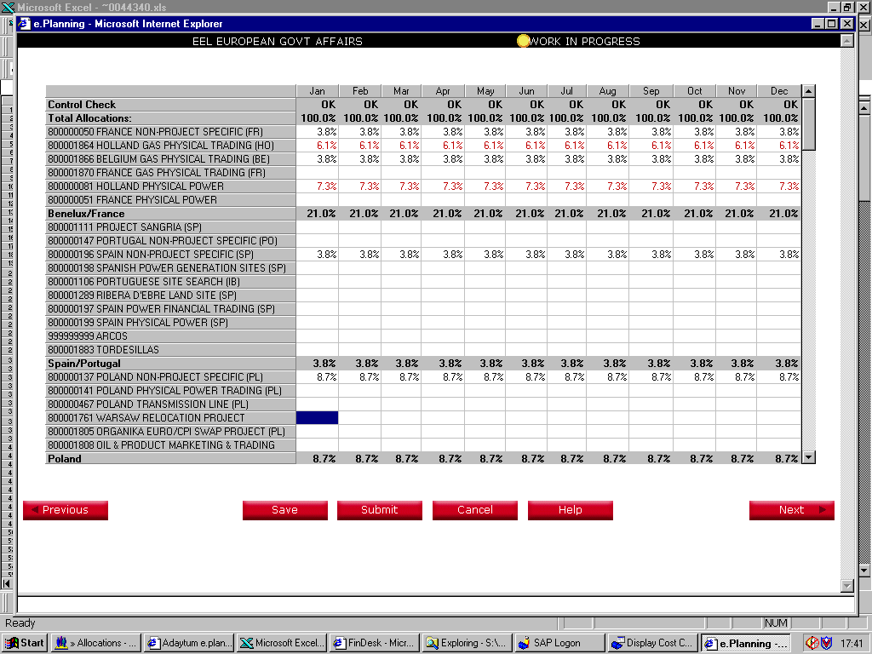

11.4% | Benelux

6.3% | Cont. Gas Trading

3.3% | Cont. Power Trading
 | (50/50 with German )
21.0%

3.8% | Spain

3.8%
8.7% | Poland

8.7%

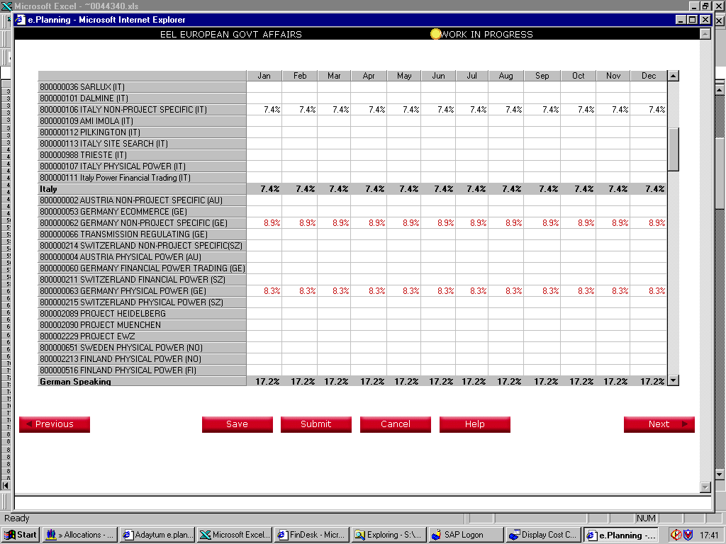

7.4% | Italy

7.4%

13.9% | German

3.3% | Cont Power Trading
 | (50/50 with Holland )

17.2%

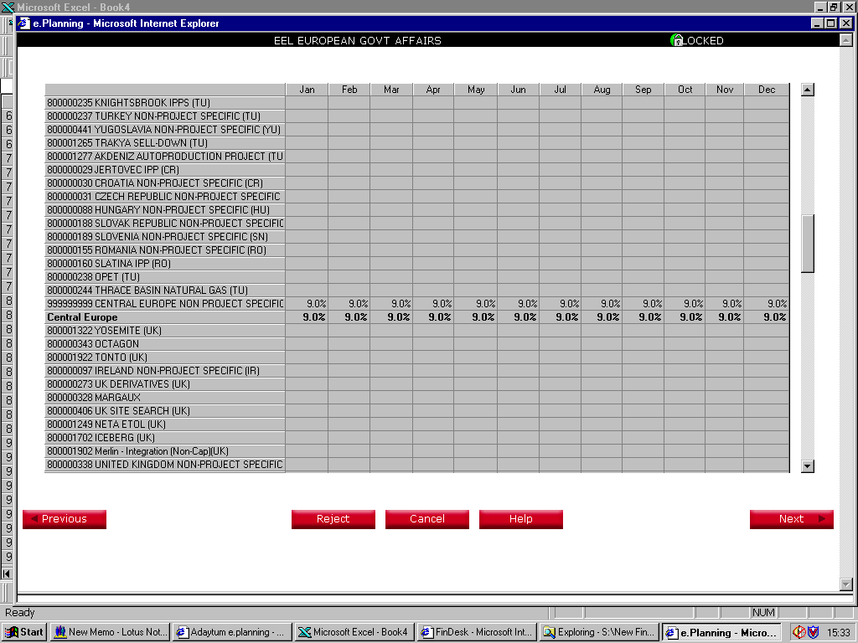

9.0% | Central and SE Europe
9.0%

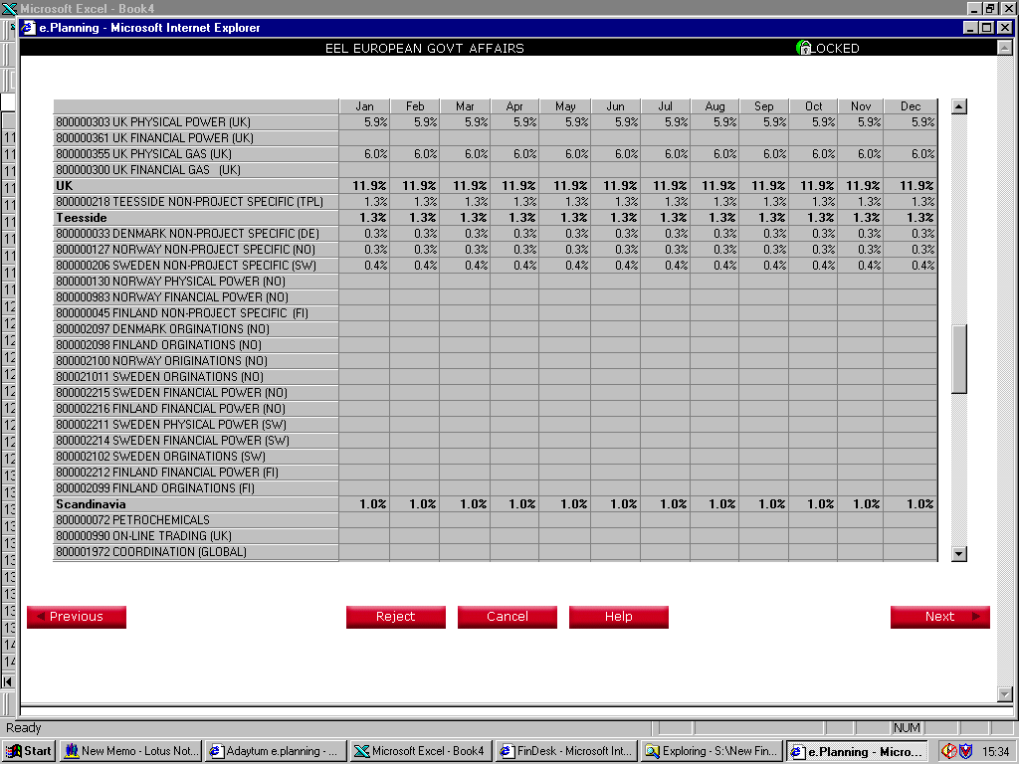

5.9% | UK Power and Gas

6.0% | UK Power and Gas
11.9%

1.3% | Teeside
1.3%

1.0% | Nordic
1.0%

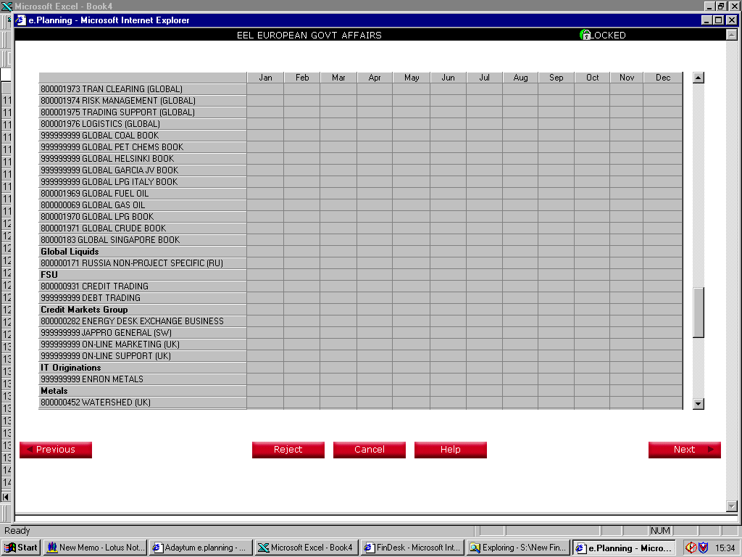

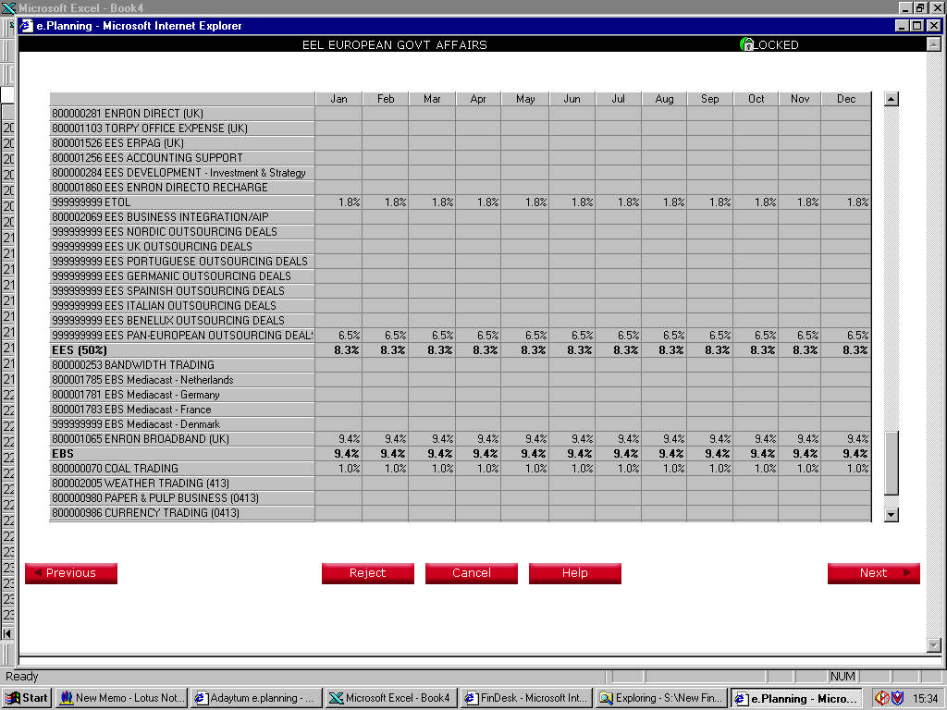

1.8% | Etol

6.5% | EES
8.3%

9.4% | EBS
9.4%

1.0% | Coal Trading
1.0%

100.0% | TOTAL

