S & W
EUROPEAN GOVERNMENT AFFAIRS BUDGET 2001
SUMMARY (£)

2001 BUDGET

Salaries & Wages | 2,110,000
Difference - Raised Amounts | 32,810
Benefits | 476,412
Expat | 1,097,500
Car Allowances | 162,000
Total Salary and Wages |  | 3,878,722

Total G & A |  | 5,521,000
Total European Government Affairs Budget |  | 9,399,722

2001 BUDGET

Marks Submission |  | 8,878,500
Less Capital |  | -60,000
Salaries Difference £2,200,000- £2,110,000 |  | -90,000
Salary Raises |  | 32,810
Salary Benefits |  | 476,412
Car Allowances |  | 162,000

TOTAL BUDGET 2001 |  | 9,399,722

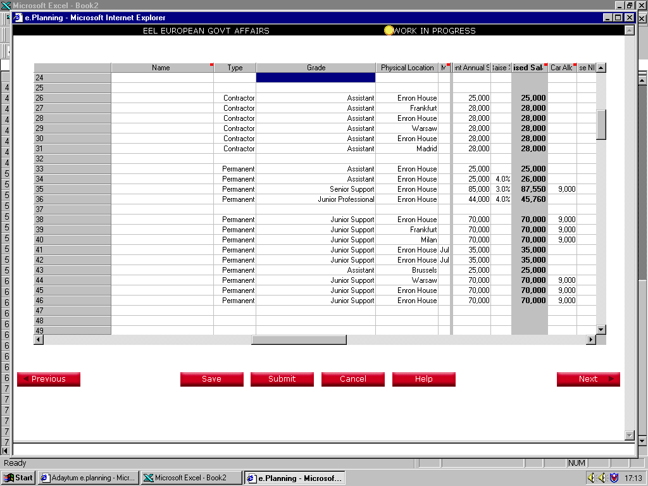

Salar and Wages
EUROPEAN GOVERNMENT AFFAIRS BUDGET 2001
SALARY AND WAGES (£)

 | Salary and Wages summary (£)

 | Current annual salaries | 2,110,000
 | Raise | 32,810
 | Car allowance | 162,000
 | NI and Benefits (Share purchase plan / Other benefits) | 476,412
 | Other Expat Costs (Hypo tax and Stock options) | 1,097,500
 | TOTAL SALARY AND WAGES | 3,878,722

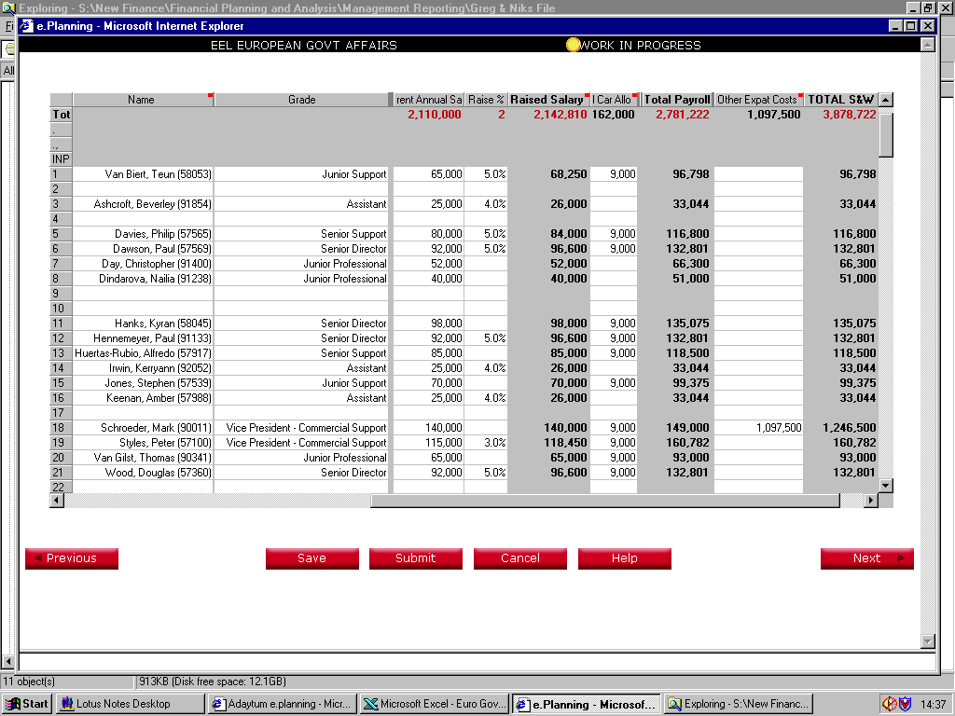

**Other Expat Costs includes Hypo Tax
and Stock Options Excercised
(Total Department Cost estimate
is entered along side Marks name)

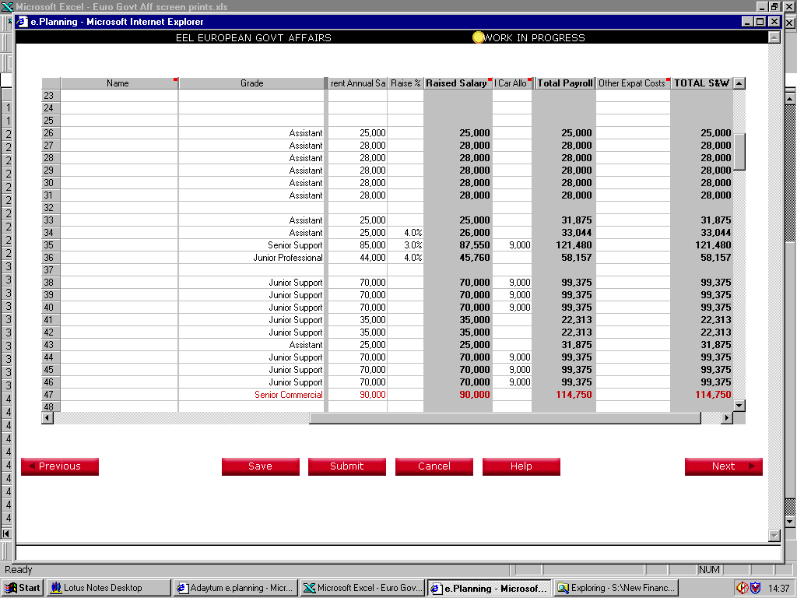

Contractors / No benefits
Contractors / No benefits
Contractors / No benefits
Contractors / No benefits
Contractors / No benefits
Contractors / No benefits

*New Hires for 2001
*New Hires for 2001
*New Hires for 2001
*New Hires for 2001
*New Hires for 2001
*New Hires for 2001
*New Hires for 2001
*New Hires for 2001
*New Hires for 2001

*Note ( Two £35,000 are July 2001 starters
ie £70,000 / 2 for half year cost)

G & A and Summary
EUROPEAN GOVERNMENT AFFAIRS BUDGET 2001
OTHER OVERHEAD EXPENSES

