Breast Test II
Robo's Bangkok-Chic-Boy Test I

Directions

Which is a chic-boy and which is a proper lady?
In the grey box, enter "chic" or "dick" (without the quotes). The right answer will appear in the light blue box.
The spreadsheet will automatically calculate your score after the last picture. (I got 20 out of 20. Cause I
made the fucking thing!)

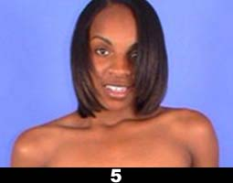

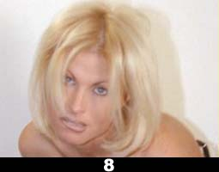

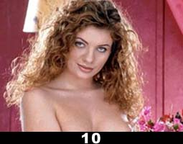

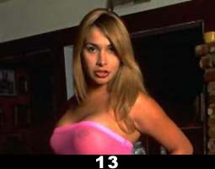

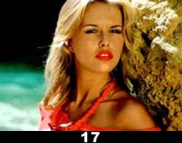

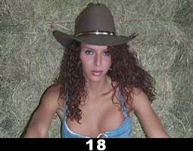

Your score |  | 0

0-5 | You complete mincer! How dare you call yourself a friend of mine.
 | I bet you've rubbed many 'Big Clitorises' in your time……….Poof!

6-10 | What's your excuse? It was dark. You were drunk. Your dad told you birds have cocks!
 | You really need to get your eyes and head examined before you next chat up any birds. Oh and don't ever talk to me again!

11-15 | Not too shabby but still wouldn't want to bump into you in a dark alley when I've got my dress on!
 | You only just have a more than 50% chance of pulling a bird and not a bloke. Sleep on that!

16-19 | Well Done. A few little mistakes is acceptable, won't hold it against you. As long as you realise the error of your ways.
 | At least when push comes to shove so to speak, you can be relied on not to make a complete cunt of yourself.

20 | Brilliant! No flies on you. Rest assured you'll never have the problem of shagging a bloke instead of a bird.
 | (Not for less than 500Bhat anyway!)

