Breast Test II
Playboy.com's Breast Test II

Directions

In the grey box, enter "real" or "fake" (without the quotes). The right answer will appear in the light blue box.
The spreadsheet will automatically calculate your score after the last picture. (I got 16 out of 20. The average
score on Breast Test I was 12.38 out of 20.)

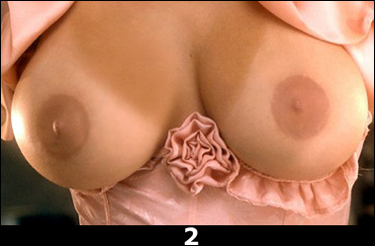

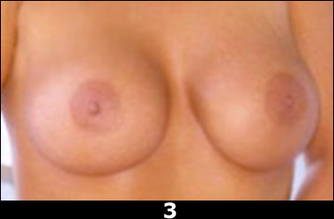

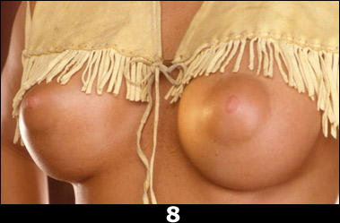

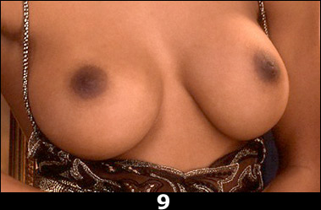

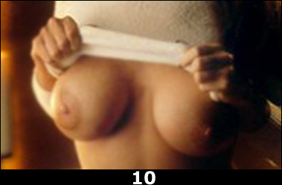

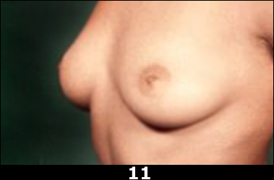

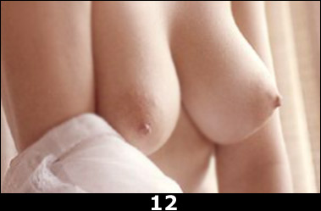

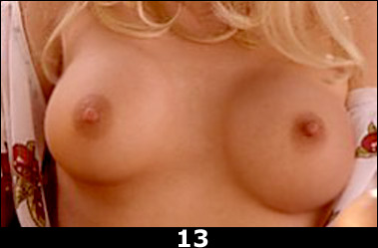

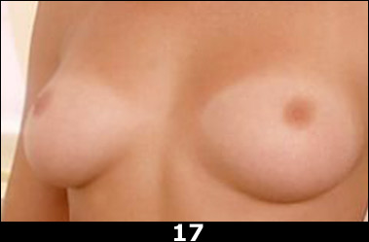

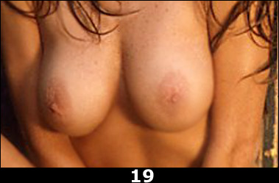

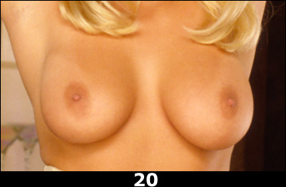

Your score |  | 0

0-5 | A total bust! Your homework: Compare the Demi Moore of "About Last Night…" with
 | the enhanced version in "Striptease" (or get an eye implant).

6-10 | Did you take this test with a bra over your eyes? Clearly, you think saline is that annoying
 | French-Canadian singer.

11-15 | You racked up a respectable score, but you still might want to enhance your implant insight.

16-19 | You're a natural! Congratulations, you win the World Cups.

20 | Great job, Mr. Hefner!

